Sheet1
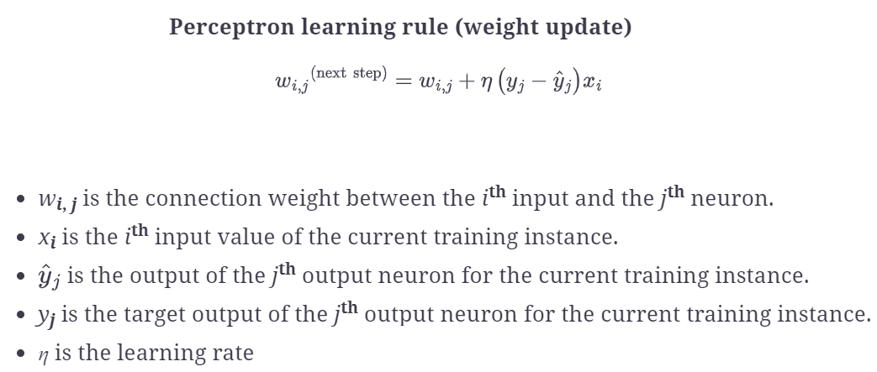
 | Inputs |  |  | Desired Output | Initial weights |  |  | Actual output |  | Error | Final weights
 | x1 | x2 | x3 | Yd | w1 | w2 | w2 | Y |  | e | w1 | w2 | w3
1 | 0 | 0 | 0 | 0 | 0.1 | 0.1 | 0.1 | 1 | 1 | -1 | 0.1 | 0.1 | 0.1
2 | 0 | 1 | 0 | 0 | 0.1 | 0.1 | 0.1 | 1.1 | 1 | -1 | 0.1 | -0.1 | 0.1
3 | 1 | 0 | 1 | 1 | 0.1 | -0.1 | 0.1 | 1.2 | 1 | 0 | 0.1 | -0.1 | 0.1
4 | 1 | 1 | 1 | 1 | 0.1 | -0.1 | 0.1 | 1.1 | 1 | 0 | 0.1 | -0.1 | 0.1

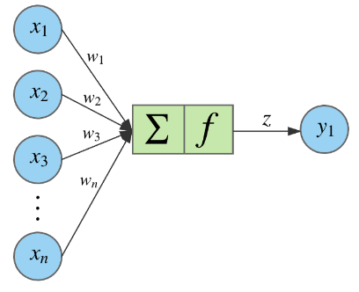
bias : | 1 |  |  | learning rate: | 0.2

 | no | no | no | no
 | no | no | yes | no
 | no | yes | no | yes
 | no | yes | yes | yes
 | yes | no | no | yes
 | yes | no | yes | yes
 | yes | yes | no | no
 | yes | yes | yes | no

